Dala Sales & Deliveries
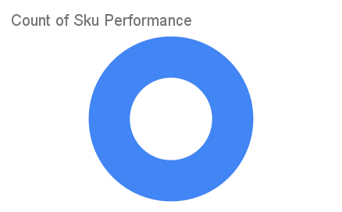
Total Invoices Delivered | 3.00 | Sku Performance | Units | Value
Unique Locations Supplied | 3.00 | 50g Dried Mushrooms (24x) | 2.84 | 122,688.00
Total Value of orders | 122,688.00 |  | 0.00 | 0.00
 |  |  | 0.00 | 0.00
 |  |  | 0.00 | 0.00
 |  |  | 0.00 | 0.00
 |  |  | 0.00 | 0.00
 |  |  | 0.00 | 0.00
 |  |  | 0.00 | 0.00
 |  |  | 0.00 | 0.00
 |  |  | 0.00 | 0.00
 |  |  | 0.00 | 0.00
 |  |  | 0.00 | 0.00

